Sheet1
Questions on Correlation and Covariance

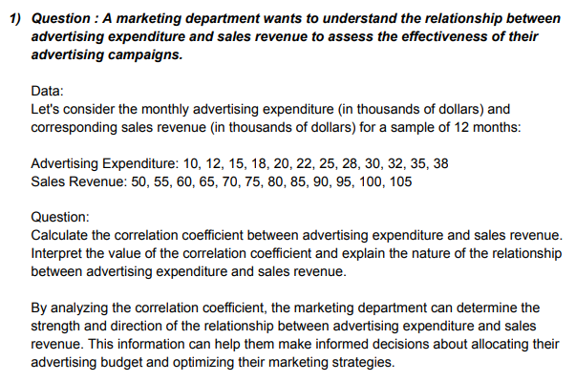
 | Advertising Expenditure |  |  | Sales Revenue

 |  | 10 |  |  | 50
 |  | 12 |  |  | 55
 |  | 15 |  |  | 60
 |  | 18 |  |  | 65
 |  | 20 |  |  | 70
 |  | 22 |  |  | 75
 |  | 25 |  |  | 80
 |  | 28 |  |  | 85
 |  | 30 |  |  | 90
 |  | 32 |  |  | 95
 |  | 35 |  |  | 100
 |  | 38 |  |  | 105

 | Correlaton | 0.99921031004

 | There is storng possitive correlation between the variables because correlation is near to 1.

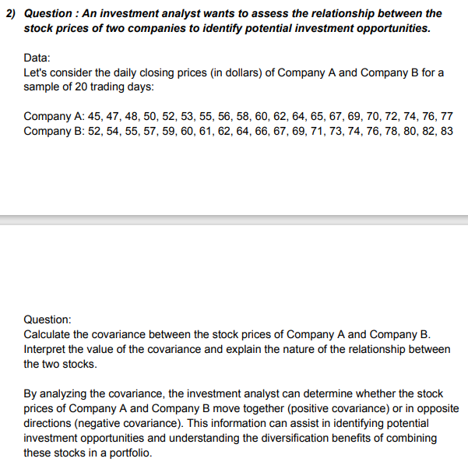
 |  | Company A |  | Company B
 |  | 45 |  | 52
 |  | 47 |  | 54
 |  | 48 |  | 55
 |  | 50 |  | 57
 |  | 52 |  | 59
 |  | 53 |  | 60
 |  | 55 |  | 61
 |  | 56 |  | 62
 |  | 58 |  | 64
 |  | 60 |  | 66
 |  | 62 |  | 67
 |  | 64 |  | 69
 |  | 65 |  | 71
 |  | 67 |  | 73
 |  | 69 |  | 74
 |  | 70 |  | 76
 |  | 72 |  | 78
 |  | 74 |  | 80
 |  | 76 |  | 82
 |  | 77 |  | 83

 |  | Covariance | 97.526315789

 |  | There is possitive relationship between the variables because covariance value is possitive.

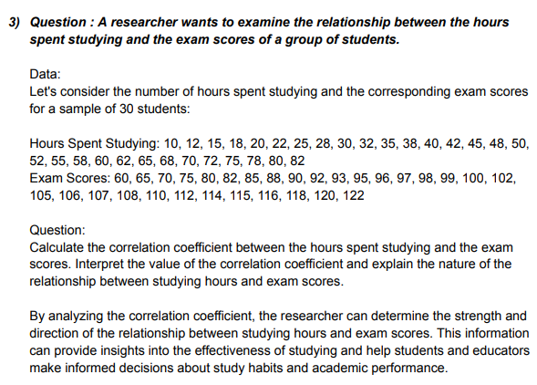
 | Hours Spent Studying |  |  | Exam Scores

 |  | 10 |  | 60
 |  | 12 |  | 65
 |  | 15 |  | 70
 |  | 18 |  | 75
 |  | 20 |  | 80
 |  | 22 |  | 82
 |  | 25 |  | 85
 |  | 28 |  | 88
 |  | 30 |  | 90
 |  | 32 |  | 92
 |  | 35 |  | 93
 |  | 38 |  | 95
 |  | 40 |  | 96
 |  | 42 |  | 97
 |  | 45 |  | 98
 |  | 48 |  | 99
 |  | 50 |  | 100
 |  | 52 |  | 102
 |  | 55 |  | 105
 |  | 58 |  | 106
 |  | 60 |  | 107
 |  | 62 |  | 108
 |  | 65 |  | 110
 |  | 68 |  | 112
 |  | 70 |  | 114
 |  | 72 |  | 115
 |  | 75 |  | 116
 |  | 78 |  | 118
 |  | 80 |  | 120
 |  | 82 |  | 122

 |  | Correlation | 0.97729508302

 |  | There is storng possitive correlation between the variables because correlation is near to 1.

